offer sheet
O F F E R S H E E T
Seller (Exporter) | HAESER PRODUCTS CO.,LTD. |  |  |  |  |  | Date | 2026-06-22
Buyer | janet |  |  |  |  |  | Validity | 30 days from offer date
Manufacturer | (주)믿음에프엔비 / MIDUM F&B Co., Ltd. |  |  |  |  |  | Incoterms | CPT Hong Kong (Air, ICN→HKG)
Country of Origin | Republic of Korea (processed) |  |  |  |  |  | Payment | T/T [기재: 조건]
Currency | USD (price per EA) |  |  |  |  |  | Packing | Carton box + ice pack
Product Image | Product Name | Product Price FOB (USD/EA) | Logistics (USD/EA) | CFR HKG-Air (USD/EA) | Shelf Life | Storage | Volume / EA | PCS / BOX | Box Spec (mm) | Gross Wt / BOX | HS CODE | MOQ | Sales Point
제품 사진 | 제품명 | 제품가격 FOB | 물류비 | CFR 홍콩(항공) | 유통기한 | 보관방법 | 낱개 용량 | 박스 입수 | 박스규격 | 박스총중량 | HS코드 | 최소주문 | 특장점
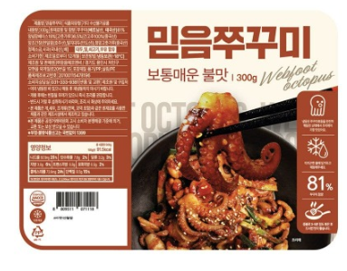 | Stir-fried Webfoot Octopus 쭈꾸미 | 5.50 | 1.76 | 7.26 | 12 months 12개월 | -18℃ Frozen 냉동보관 | 300 g | 12 | 480×400×320 | 6.2 kg | 1605.55 | 20 box | Authentic Korean spicy stir-fried webfoot octopus; ready-to-cook
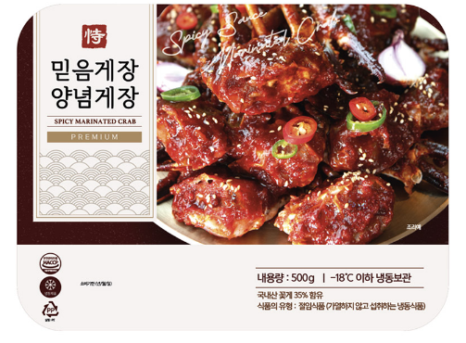 | Spicy Marinated Crab 양념게장 | 9.90 | 3.36 | 13.26 | 12 months 12개월 | -18℃ Frozen 냉동보관 | 500 g | 6 | 480×400×320 | 5.9 kg | 1605.10 | 20 box | Bold spicy marinated blue crab; ready-to-eat Korean delicacy
 | Soy Sauce Marinated Peeled Shrimp 깐새우장 | 5.50 | 1.53 | 7.03 | 12 months 12개월 | -18℃ Frozen 냉동보관 | 300 g | 20 | 480×400×320 | 9.2 kg | 1605.21 | 20 box | Shell-free soy-marinated shrimp; sweet & savory, convenient
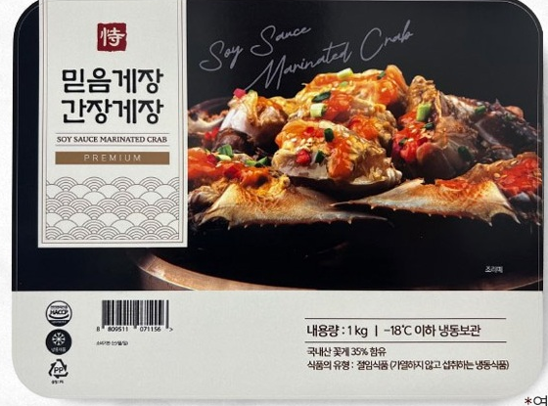 | Soy Sauce Marinated Crab 간장게장 | 12.00 | 3.36 | 15.36 | 12 months 12개월 | -18℃ Frozen 냉동보관 | 600 g | 6 | 480×400×320 | 5.9 kg | 1605.10 | 20 box | Premium soy-sauce marinated blue crab; Korea's signature delicacy
Notes: Logistics = air + trucking + ice pack, allocated per box then per EA (see calculation below). All items frozen at -18℃. Prices in USD/EA, valid 30 days. HS codes 6-digit (confirm 10-digit HSK).

Logistics Cost Calculation (기준: 1 shipment = 270 kg)
Air freight ICN→HKG (KRW / shipment) |  | 1,050,000
Inland trucking (KRW / shipment) |  | 150,000
Chargeable weight (kg / shipment) |  | 270
Ice pack + dry ice (KRW / box) |  | 2,000
FX rate (KRW / USD) |  | 1,400
Freight per kg (KRW) = (Air + Truck) / 270 |  | 4,444

Product | Gross/box (kg) | Freight/box (KRW) | Ice/box (KRW) | Total/box (KRW) | PCS/box | Logi /EA (KRW) | Logi /EA (USD)
쭈꾸미 Octopus | 6.2 | 27,556 | 2,000 | 29,556 | 12 | 2,463 | 1.76
양념게장 Spicy Crab | 5.9 | 26,222 | 2,000 | 28,222 | 6 | 4,704 | 3.36
깐새우장 Shrimp | 9.2 | 40,889 | 2,000 | 42,889 | 20 | 2,144 | 1.53
간장게장 Soy Crab | 5.9 | 26,222 | 2,000 | 28,222 | 6 | 4,704 | 3.36

